Sheet1
Scenario Name: Puchasing Flow of Amazon Prdoucts
Prepared By: Nandini Sheri

SI.NO | Module | Preconditions | Steps | Expected Results | Screenshots
1 | Login | Preconditions: 1. Amazon url https://www.amazon.in 2. Validate user crednetials for the environment | 1. Launch url "https://www.amazon.com" 2. Login with valid user crednetials | 1. User should be logged in and land on amazon home page | 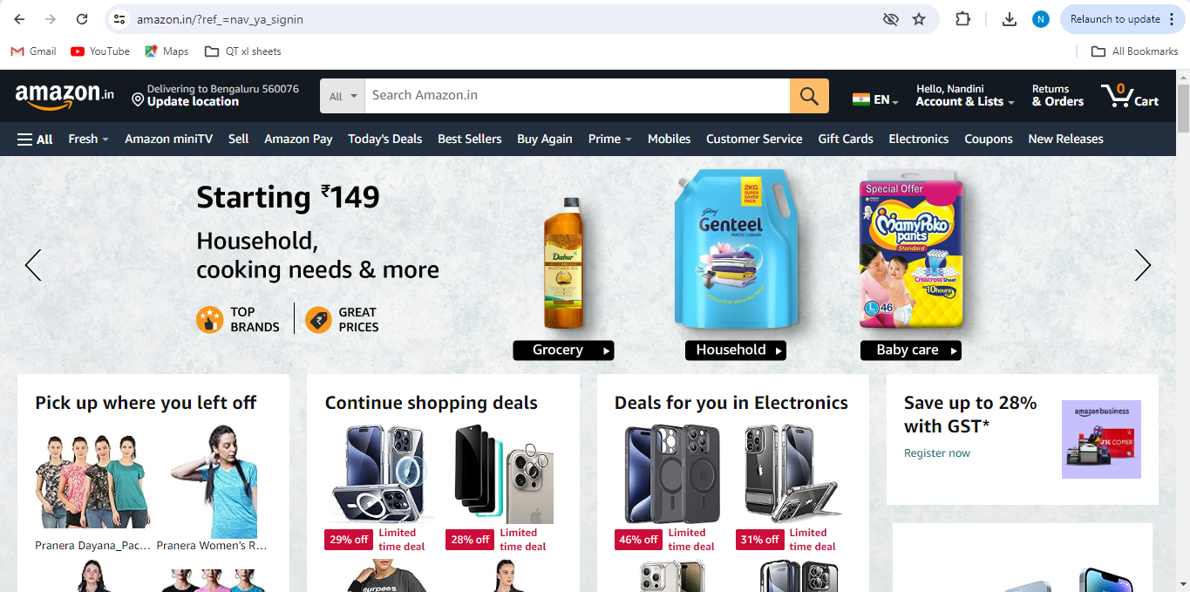
2 | Orders | Preconditions: 1. Amazon url https://www.amazon.in 2. Amazon should be loaded and displayed | 1. Click on "Returns&Orders" 2. Observe Orders page | 1. Orders Page should be displayed with all the orders detail. | 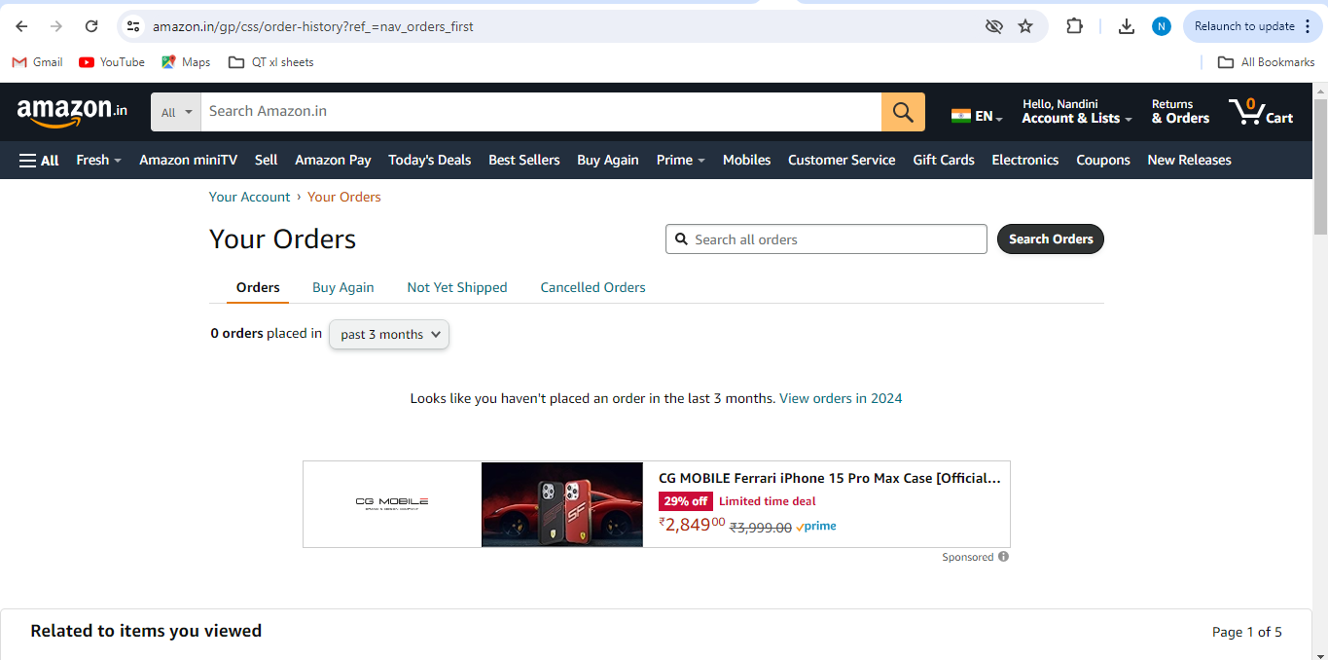
3 | Orders | Preconditions: 1. Amazon url https://www.amazon.in 2. Amazon should be loaded and displayed | 1. Click on "last 30 days drop down" from orders placed. EX: 2021 | 1. Orders history list should be present for that specified year. or 2. If no orders " Looks like you did not place an order in 2021. View orders in 2020 " message will be present | 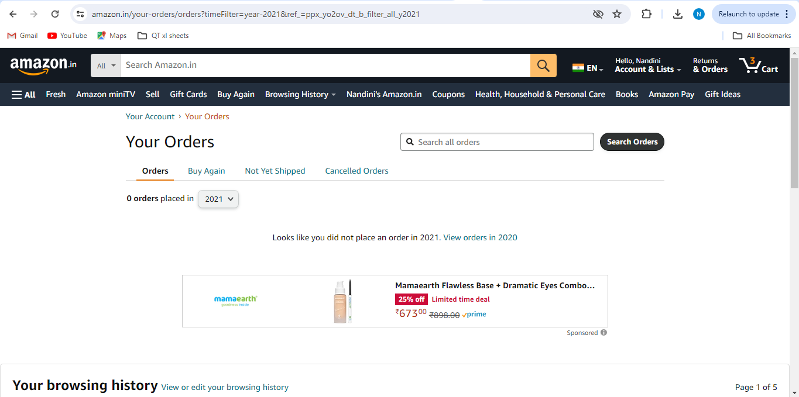
4 | Orders | Preconditions: 1. Amazon url https://www.amazon.in 2. Amazon should be loaded and displayed | 1. Click on "last 30 days drop down" EX: last 30 days | 1. Orders history list should be present from last 30 days. or 2. If no orders placed " Looks like you have not placed an order in the last 30 days. View orders in past 3 months" message should be present | 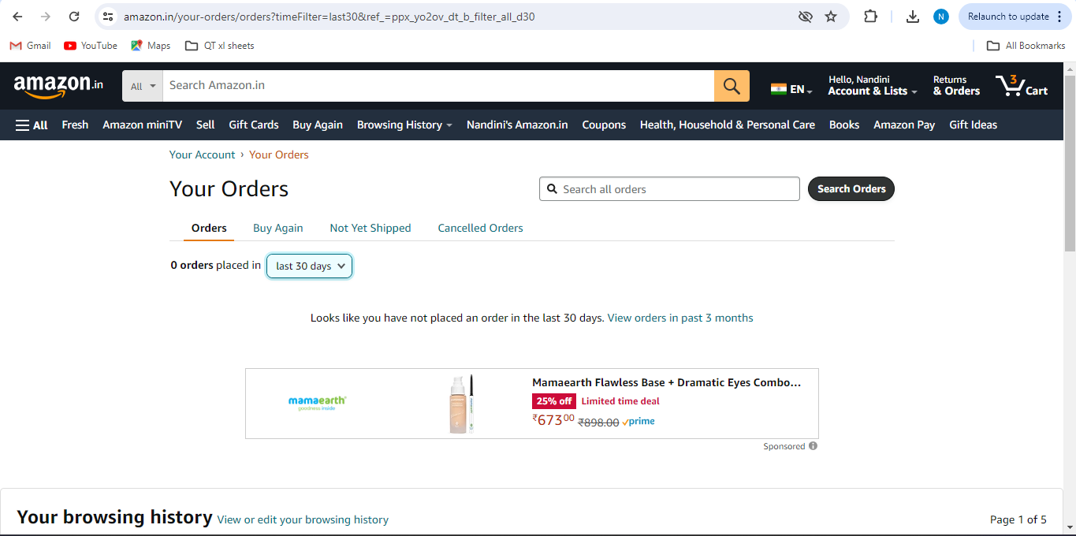
5 | Orders | Preconditions: 1. Amazon url https://www.amazon.in 2. Amazon should be loaded and displayed | 1. Click on "last 30 days drop down" EX: 2022 2. Click on "invoice" link. 3. Select "invoice 1" from popup 4. Click on "download" icon | 1. User should be able to download the invoice. | 